OBESITY PYRAMID
EPIC STICKER

HEIGHT (IN):
BMI: | #DIV/0!
START WEIGHT:

OBESITY PYRAMID
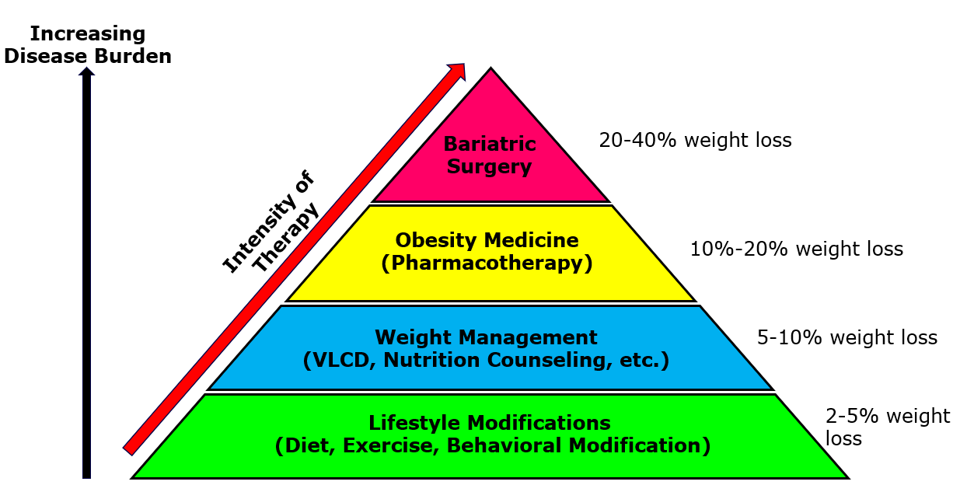

Total body weight loss (TBWL) - % | Weight loss (lbs) | Weight (lbs) | % of weight lost by Treatment
2% | 0 | 0 | 2% - 5%
5% | 0 | 0 |  | 5-10%
8% | 0 | 0
10% | 0 | 0 |  |  | 10 - 20%
15% | 0 | 0
20% | 0 | 0 |  |  |  | 20%-40%
25% | 0 | 0
30% | 0 | 0
35% | 0 | 0
40% | 0 | 0
GOAL WEIGHT: |  |  | Lifestyle Modification (Diet, Exercise, Bahavioral Modification)
CO-MORBIDITIES: |  |  | Weight Management (VLCD, LCD & Nutritional Counseling)
 |  |  | Obesity Medicine (Pharmacotherapy)
 |  |  | Bariatric Surgery

OBESITY TREATMENT OPTIONS
OBESITY TREATMENT OPTIONS
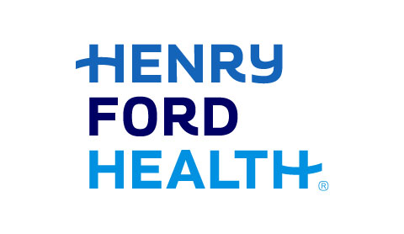
EPIC STICKER
HEIGHT (IN): | 0.0
BMI: | #DIV/0!
START WEIGHT: | 0.0

GOAL WEIGHT:

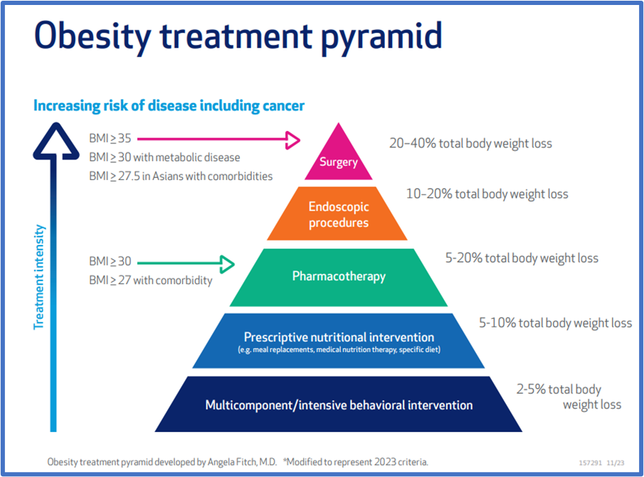
LIFESTYLE MODIFICATION This is the foundation for all Options - Diet, Exercise and Behavior Modification (2-5%)
What Treatment Option will get you the most weight loss? | WEIGHT MANAGEMENT (VLCD, Nutrition Counseling, Etc.) (5-10%) |  | OBESITY MEDICINE (Pharmacotherapy) (10-15%) |  | BARIATRIC SURGERY (Gastric Bypass, Sleeve, etc.) (20-40%)
Total body weight loss (TBWL) - % | Weight loss (lbs) | Weight (lbs) | Weight loss (lbs) | Weight (lbs) | Weight loss (lbs) | Weight (lbs) |  | Referrals
2% | 0 | 0 | 0 | 0 | 0 | 0
5% | 0 | 0 | 0 | 0 | 0 | 0 | Class 3 Obesity: BMI - 40.0 or higher, Class 2 Obesity: BMI – 35 to 39.9, or Class 1 Obesity: BMI – 30 to 34.9 if the patient also has a weight related disease? (hypertension, hyperlipidemia, diabetes, etc.) | 1. Ambulatory referral to Obesity Treatment (Obesity Med/Weight Management or Bariatric Surgery)
8% | 0 | 0 | 0 | 0 | 0 | 0 |  | 2. E-Consult to Advanced Therapeutic Endoscopy (ECON1L)
10% | 0 | 0 | 0 | 0 | 0 | 0 |  | 3. Provider selected Anti – Obesity Medication
15% | 15% |  | 0 | 0 | 0 | 0
20% | 20% |  |  |  | 0 | 0 | Class 1 Obesity: BMI – 30 to 34.9
25% | 25% |  |  |  | 0 | 0 |  | 1. Ambulatory referral to Obesity Treatment (Obesity Med/Weight Management or Bariatric Surgery)
30% | 30% |  |  |  | 0 | 0 | Class 1 Obesity: BMI – 30 to 34.9 | 2. Provider selected Anti – Obesity Medication
35% | 35% |  |  |  | 0 | 0
40% | 40% |  |  |  | 0 | 0
Treatment Option that will get you closest to your Goal Weight is:

